Sheet1
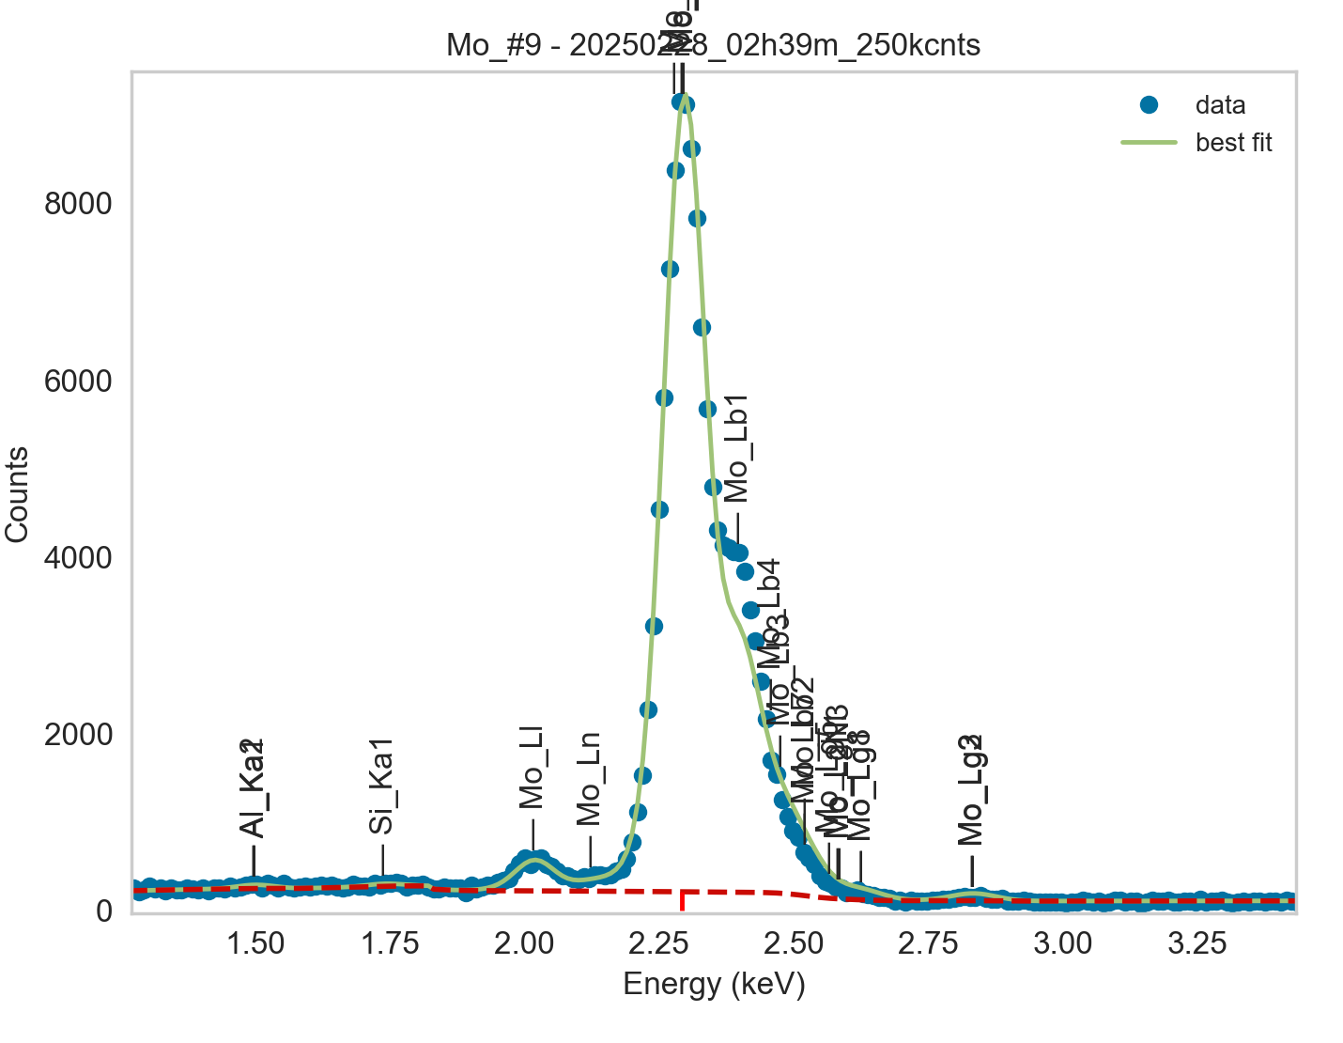
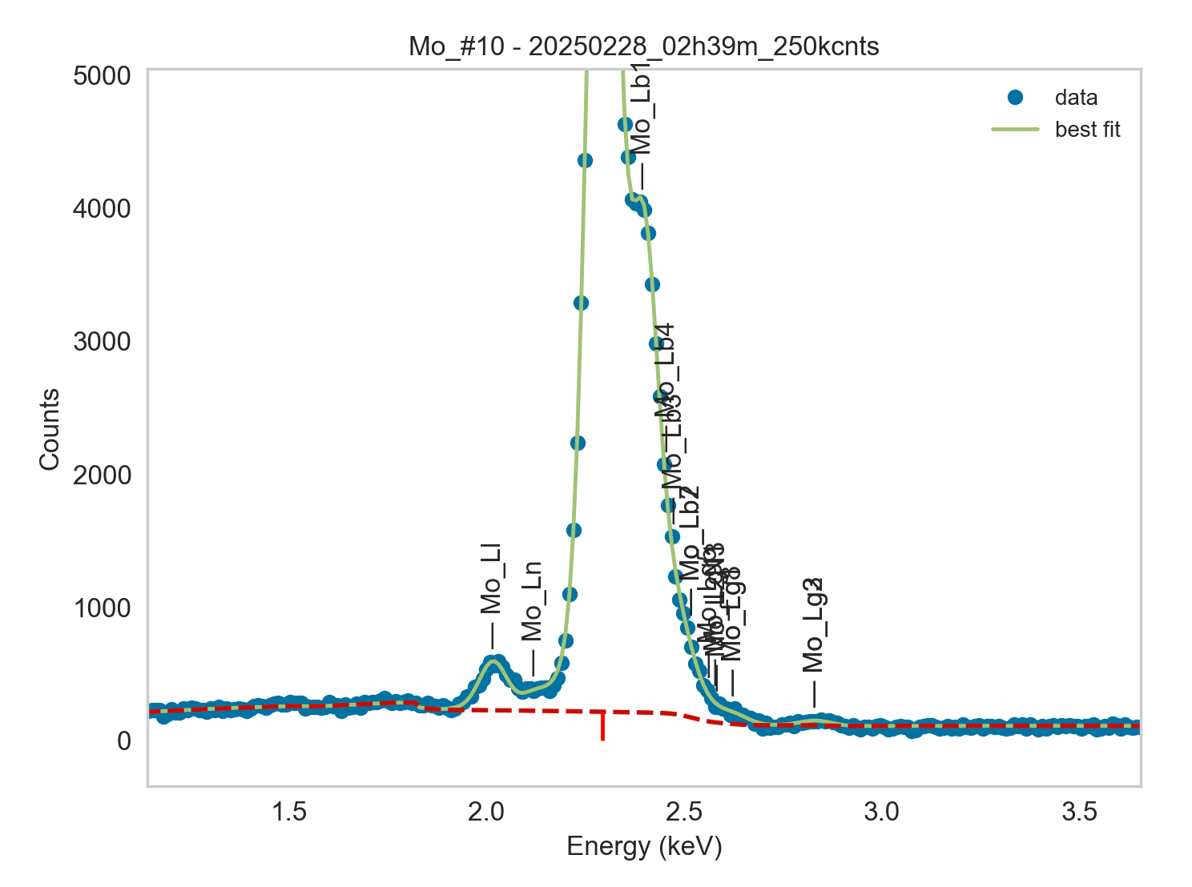
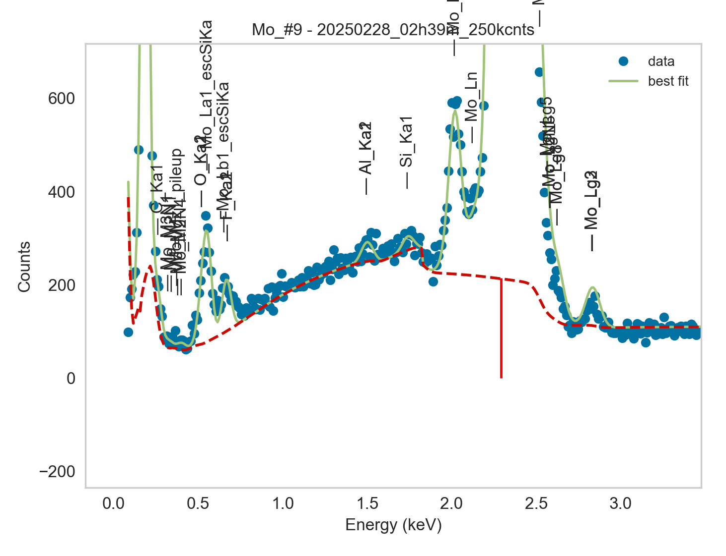
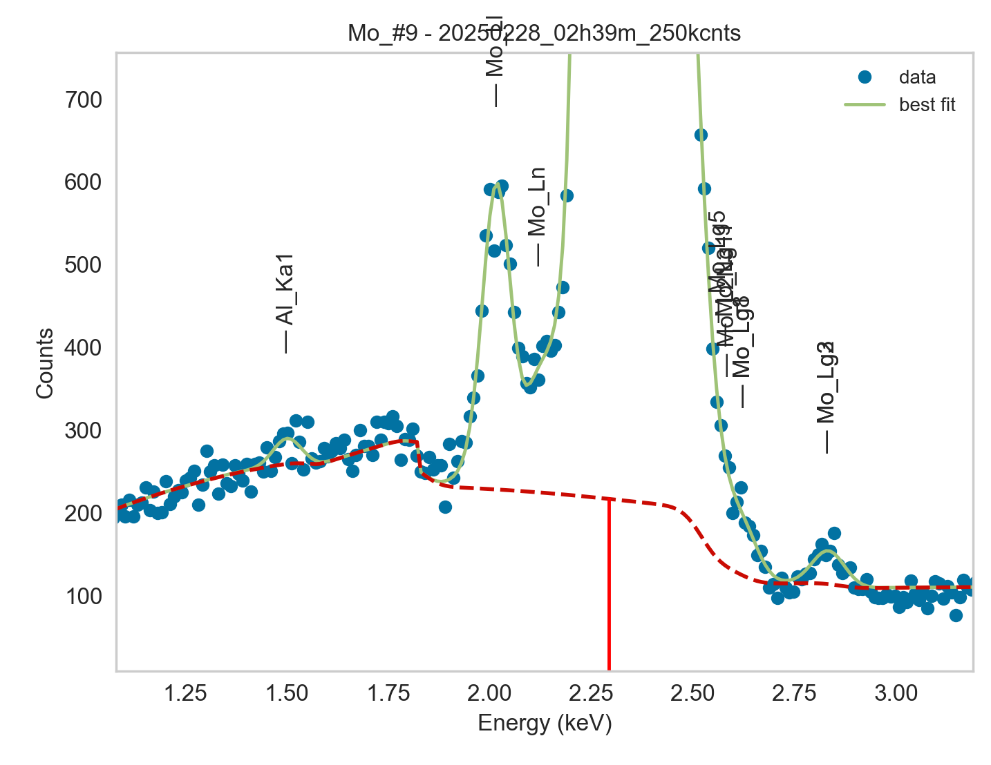
Weights calibrated measuring a pure Mo standard, bulk, polished |  |  |  |  |  |  |  |  |  |  | Weights unchanged
Area of all peaks is fitted |  |  |  |  |  |  |  |  |  |  | Weights changed
A constant shift is maintained across all peaks
Sigma is fixed for all peaks
We do not touch Lg2 and Lg3 because our background is not good enough there and because they seem already well calibrated

Mo |  | Meas 1 | Meas 2 | Meas 3 | Meas 4 | Meas 5 | Meas 6 | Meas 7 | Meas 8 | Meas 9 | Meas 10
La1 |  | 747.112 | 747.174 | 741.22 | 737.402 | 751.518 | 738.973 | 742.792 | 745.065 | 747.303 | 740.706
Ll |  | 34.282 | 33.434 | 33.465 | 32.97 | 34.36 | 34.237 | 33.058 | 33.889 | 33.109 | 32.906
Ln |  | 10.401 | 12.24 | 12.417 | 10.425 | 10.562 | 10.134 | 12.033 | 9.591 | 11.462 | 12.166
Lb3 |  | 64.665 | 52.911 | 54.582 | 35.928 | 39.558 | 58.066 | 23.534 | 36.584 | 48.331 | 57.365
Lb4 |  | 0.068 | 14.602 | 8.668 | 26.145 | 24.408 | 9.02 | 42.906 | 27.616 | 18.865 | 11.17
Lb3 + Lb4 |  | 64.733 | 67.513 | 63.25 | 62.073 | 63.966 | 67.086 | 66.44 | 64.2 | 67.196 | 68.535
Lb1 |  | 345.952 | 339.55 | 340.498 | 337.31 | 336.377 | 334.314 | 326.866 | 337.678 | 339.428 | 338.894
Lb2 |  | 0.062 | 11.229 | 9.593 | 11.088 | 12.12 | 5.918 | 12.694 | 11.787 | 0.001 | 0
Lb7 |  | 13.791 | 6.99 | 7.317 | 9.386 | 10.295 | 4.853 | 11.979 | 9.654 | 15.907 | 14.869
Lb2 + Lb7 |  | 13.853 | 18.219 | 16.91 | 20.474 | 22.415 | 10.771 | 24.673 | 21.441 | 15.908 | 14.869
Lg5 |  | 2.163 | 0 | 0 | 0.001 | 0 | 8.39 | 0 | 0.029 | 2.863 | 5.217
Lg11 |  | 1.693 | 0 | 1.314 | 0.107 | 0.235 | 0 | 0.403 | 0.11 | 0.032 | 0
L2N3 |  | 0 | 4.493 | 4.108 | 4.488 | 1.219 | 0.001 | 1.32 | 4.616 | 1.431 | 0
Lg5 + Lg11 + L2N3 |  | 3.856 | 4.493 | 5.422 | 4.596 | 1.454 | 8.391 | 1.723 | 4.755 | 4.326 | 5.217
Lg1 |  | 3.333 | 2.452 | 1.907 | 2.722 | 3.086 | 2.392 | 2.982 | 2.026 | 2.477 | 3.513
Lg8 |  | 3.333 | 2.452 | 1.907 | 2.722 | 3.086 | 2.392 | 2.982 | 2.026 | 2.477 | 3.513
Lg1 + Lg8 |  | 6.666 | 4.904 | 3.814 | 5.444 | 6.172 | 4.784 | 5.964 | 4.052 | 4.954 | 7.026
Lg2 |  | 2.321 | 2.484 | 1.342 | 1.551 | 2.349 | 0.411 | 1.479 | 2.288 | 4.1 | 3.65
Lg3 |  | 2.302 | 0.993 | 1.481 | 1.218 | 1.484 | 3.607 | 1.599 | 1.357 | 0 | 0
Lg2 + Lg3 |  | 4.623 | 3.477 | 2.823 | 2.769 | 3.833 | 4.018 | 3.078 | 3.645 | 4.1 | 3.65

Line | Original w | Meas 1 | Meas 2 | Meas 3 | Meas 4 | Meas 5 | Meas 6 | Meas 7 | Meas 8 | Meas 9 | Meas 10 | Mean | Stdev | Er (%)
La1 | 1 | 1.0000 | 1.0000 | 1.0000 | 1.0000 | 1.0000 | 1.0000 | 1.0000 | 1.0000 | 1.0000 | 1.0000 | 1.0000
Ll | 0.0415 | 0.0459 | 0.0447 | 0.0451 | 0.0447 | 0.0457 | 0.0463 | 0.0445 | 0.0455 | 0.0443 | 0.0444 | 0.0451 | 0.0007 | 1.55
Ln | 0.0128 | 0.0139 | 0.0164 | 0.0168 | 0.0141 | 0.0141 | 0.0137 | 0.0162 | 0.0129 | 0.0153 | 0.0164 | 0.0150 | 0.0014 | 9.32
Lb3 | 0.06299 | 0.0866 | 0.0708 | 0.0736 | 0.0487 | 0.0526 | 0.0786 | 0.0317 | 0.0491 | 0.0647 | 0.0774 | 0.0634 | 0.0172 | 27.16
Lb4 | 0.03669 | 0.0001 | 0.0195 | 0.0117 | 0.0355 | 0.0325 | 0.0122 | 0.0578 | 0.0371 | 0.0252 | 0.0151 | 0.0247 | 0.0166 | 67.21
Lb3 + Lb4 | 0.09968 | 0.0866 | 0.0904 | 0.0853 | 0.0842 | 0.0851 | 0.0908 | 0.0894 | 0.0862 | 0.0899 | 0.0925 | 0.0880 | 0.0029 | 3.27
Lb1 | 0.32736 | 0.4631 | 0.4544 | 0.4594 | 0.4574 | 0.4476 | 0.4524 | 0.4401 | 0.4532 | 0.4542 | 0.4575 | 0.4539 | 0.0064 | 1.42
Lb2 | 0.04509 | 0.0001 | 0.0150 | 0.0129 | 0.0150 | 0.0161 | 0.0080 | 0.0171 | 0.0158 | 0.0000 | 0.0000 | 0.0100 | 0.0073 | 73.18
Lb7 | 0.0004 | 0.0185 | 0.0094 | 0.0099 | 0.0127 | 0.0137 | 0.0066 | 0.0161 | 0.0130 | 0.0213 | 0.0201 | 0.0141 | 0.0048 | 34.30
Lb2 + Lb7 | 0.04549 | 0.0185 | 0.0244 | 0.0228 | 0.0278 | 0.0298 | 0.0146 | 0.0332 | 0.0288 | 0.0213 | 0.0201 | 0.0241 | 0.0058 | 23.88
Lg5 | 0.0022 | 0.0029 | 0.0000 | 0.0000 | 0.0000 | 0.0000 | 0.0114 | 0.0000 | 0.0000 | 0.0038 | 0.0070 | 0.0025 | 0.0039 | 155.76
Lg11 | 0.0001 | 0.0023 | 0.0000 | 0.0018 | 0.0001 | 0.0003 | 0.0000 | 0.0005 | 0.0001 | 0.0000 | 0.0000 | 0.0005 | 0.0008 | 155.86
L2N3 | 0.0027 | 0.0000 | 0.0060 | 0.0055 | 0.0061 | 0.0016 | 0.0000 | 0.0018 | 0.0062 | 0.0019 | 0.0000 | 0.0029 | 0.0027 | 93.43
Lg5 + Lg11 + L2N3 | 0.005 | 0.0052 | 0.0060 | 0.0073 | 0.0062 | 0.0019 | 0.0114 | 0.0023 | 0.0064 | 0.0058 | 0.0070 | 0.0060 | 0.0026 | 44.25
Lg1 | 0.01335 | 0.0045 | 0.0033 | 0.0026 | 0.0037 | 0.0041 | 0.0032 | 0.0040 | 0.0027 | 0.0033 | 0.0047 | 0.0036 | 0.0007 | 19.84
Lg8 | 0.0001 | 0.0045 | 0.0033 | 0.0026 | 0.0037 | 0.0041 | 0.0032 | 0.0040 | 0.0027 | 0.0033 | 0.0047 | 0.0036 | 0.0007 | 19.84
Lg1 + Lg8 | 0.01345 | 0.0089 | 0.0066 | 0.0051 | 0.0074 | 0.0082 | 0.0065 | 0.0080 | 0.0054 | 0.0066 | 0.0095 | 0.0072 | 0.0014 | 19.84
Lg2 | 0.0006 | 0.0031 | 0.0033 | 0.0018 | 0.0021 | 0.0031 | 0.0006 | 0.0020 | 0.0031 | 0.0055 | 0.0049 | 0.0030 | 0.0015 | 49.53
Lg3 | 0.0105 | 0.0031 | 0.0013 | 0.0020 | 0.0017 | 0.0020 | 0.0049 | 0.0022 | 0.0018 | 0.0000 | 0.0000 | 0.0019 | 0.0014 | 74.81
Lg2 + Lg3 | 0.0111 | 0.0062 | 0.0047 | 0.0038 | 0.0038 | 0.0051 | 0.0054 | 0.0041 | 0.0049 | 0.0055 | 0.0049 | 0.0048 | 0.0008 | 16.05

Fits whose peak areas vary, but whose sum is almost cosntant:
So we use the original ratios to diustribute the sum among the 2 peaks, giving:

Lb3 + Lb4 | Lb3 | Lb4 | Sum
Original ratio | 0.6319 | 0.3681 | 1.0000
Resulting weights: | 0.0556 | 0.0324 | 0.0880

Lb2 + Lb7 | Lb2 | Lb7 | Sum
Original ratio | 0.9912 | 0.0088 | 1.0000
Resulting weights: | 0.0239 | 0.0001 | 0.0240

Lg5 + Lg11 + L2N3 | Lg5 | Lg11 | L2N3 | Sum
Original ratio | 0.4400 | 0.0200 | 0.5400 | 1.0000
Resulting weights: | 0.00262 | 0.00012 | 0.00322 | 0.0060

Lg1 + Lg8 | Lg1 | Lg8 | Sum
Original ratio | 0.9926 | 0.0074 | 1.0000
Resulting weights: | 0.00717 | 0.00005 | 0.0072

 |  | Without fixing the peaks above: |  |  |  |  |  |  |  |  | Fixing the peaks:

